WIFI UPLOAD
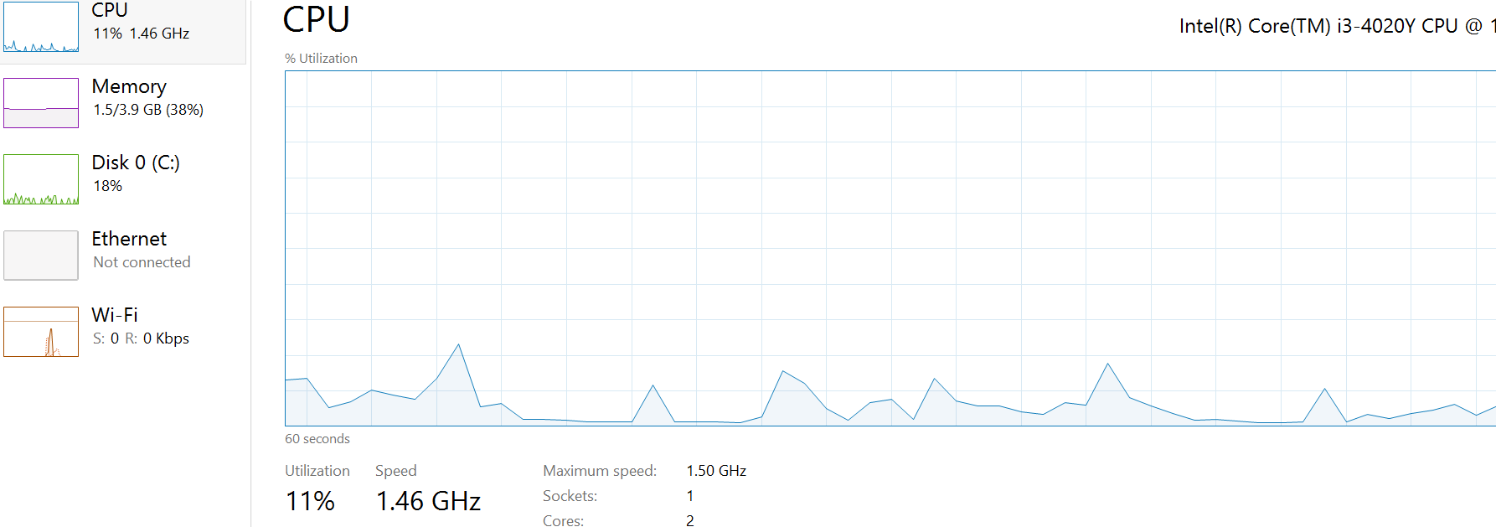
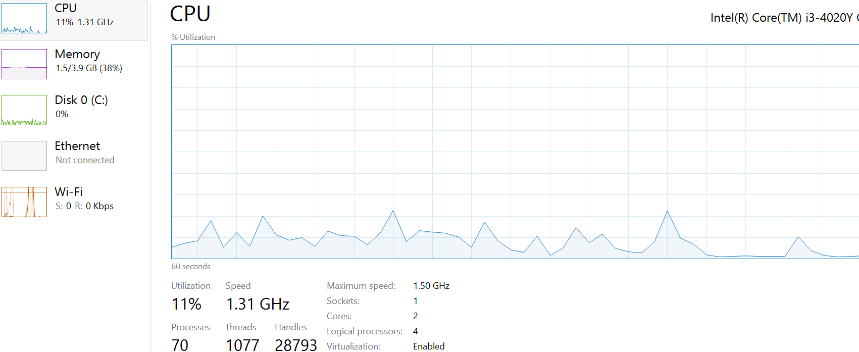
Size(MB) | CPU Max(%) | CPU Min(%) | Time | Download Speed(speedtest - Mbps) | Upload Speed(speedtest - Mbps)
2 | 12 | 1 | 6sec | 5.57 | 5.97
2 | 10 | 1 | 6sec | 6.64 | 5.81
5 | 18 | 3 | 16sec | 7.33 | 5.89
5 | 18 | 3 | 9sec | 7.69 | 5.94
10 | 14 | 2 | 21sec | 6.99 | 6.02
10 | 21 | 2 | 24sec | 6.98 | 5.89
20 | 17 | 2 | 49sec | 7.28 | 5.51
20 | 17 | 2 | 53sec | 7.25 | 5.49

2MB |  |  |  |  | 5MB

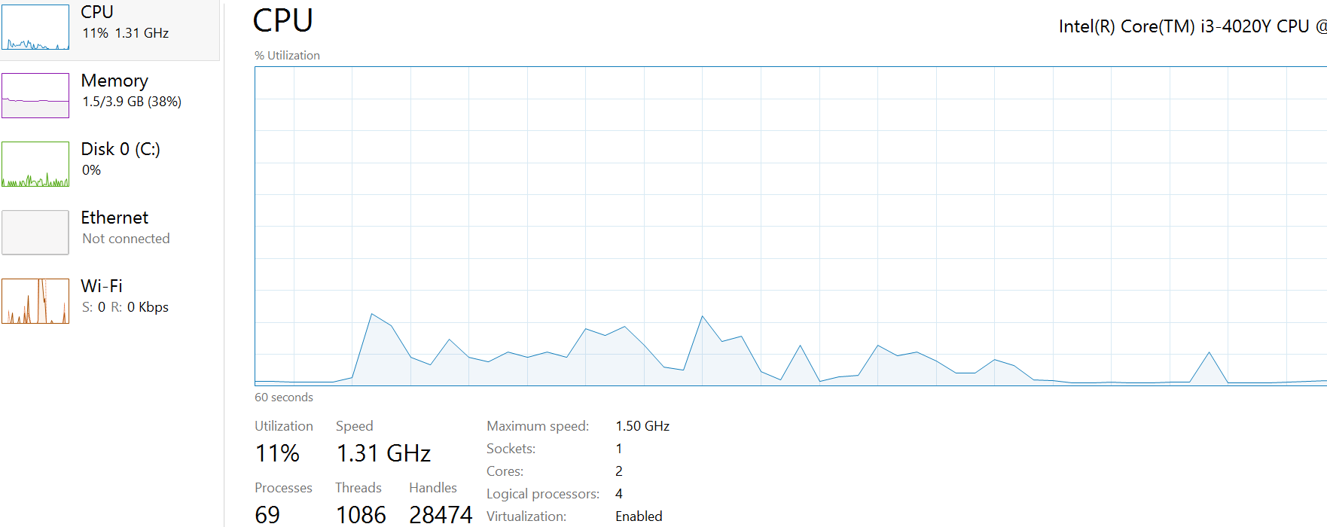
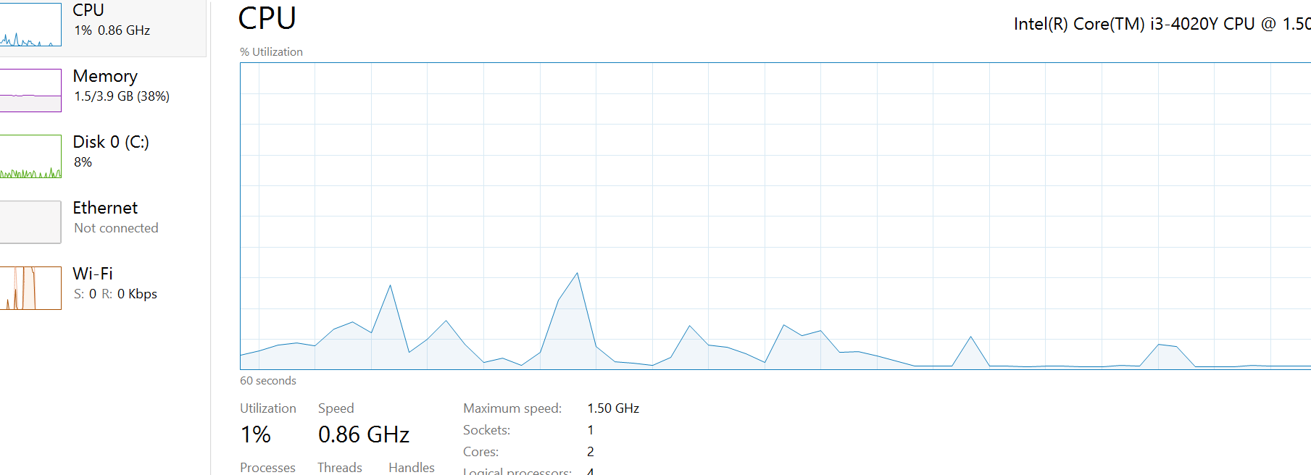

10MB |  |  |  |  | 20MB

WIFI DOWNLOAD
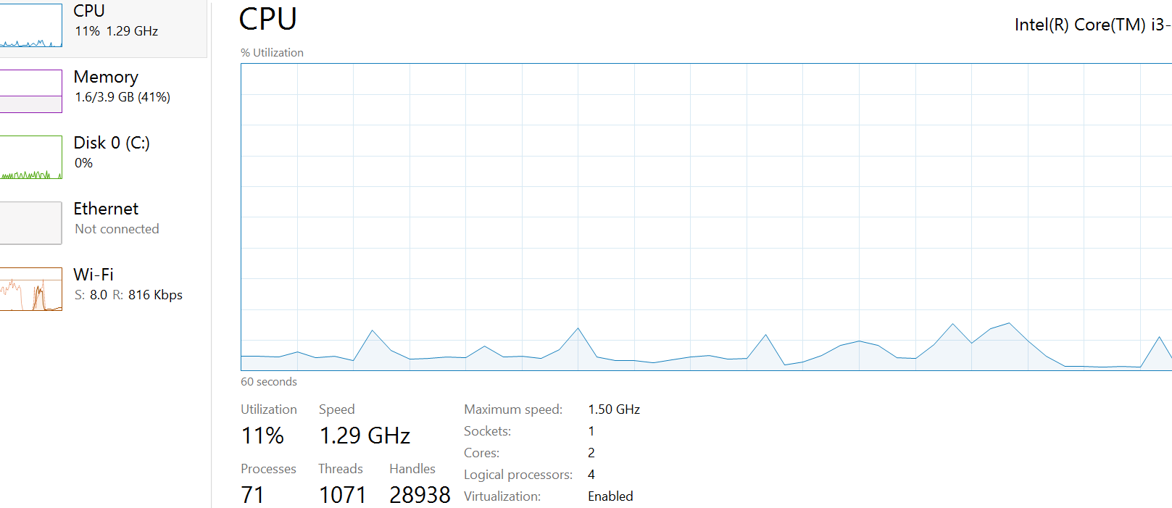

Size(MB) | CPU Max(%) | CPU Min(%) | Time | Download Speed(speedtest - Mbps) | Upload Speed(speedtest - Mbps)
2 | 13 | 2 | 5sec | 7.82 | 5.92
2 | 13 | 2 | 5sec | 5.67 | 6.06
5 | 11 | 3 | 22sec | 7.48 | 5.83
5 | 16 | 3 | 18sec | 7.26 | 5.84
10 | 17 | 1 | 47sec | 7.58 | 5.65
10 | 17 | 2 | 35 sec | 7.03 | 5.54
20 | 20 | 3 | 1min 31sec | 7.29 | 5.67
20 | 16 | 3 | 1min 27 sec | 7.35 | 5.62

2MB |  |  |  |  | 5MB

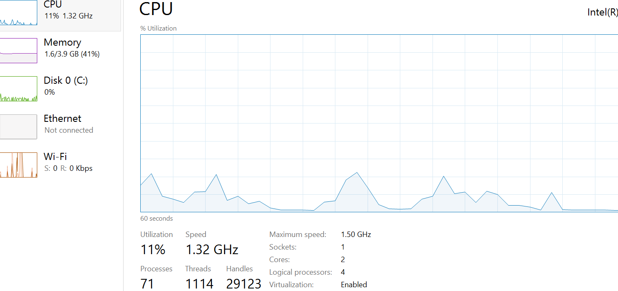
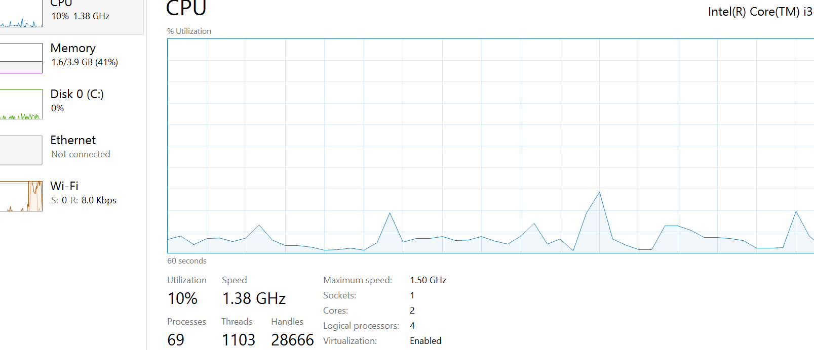

 |  |  |  |  | 20MB
10MB

LAN DOWNLOAD
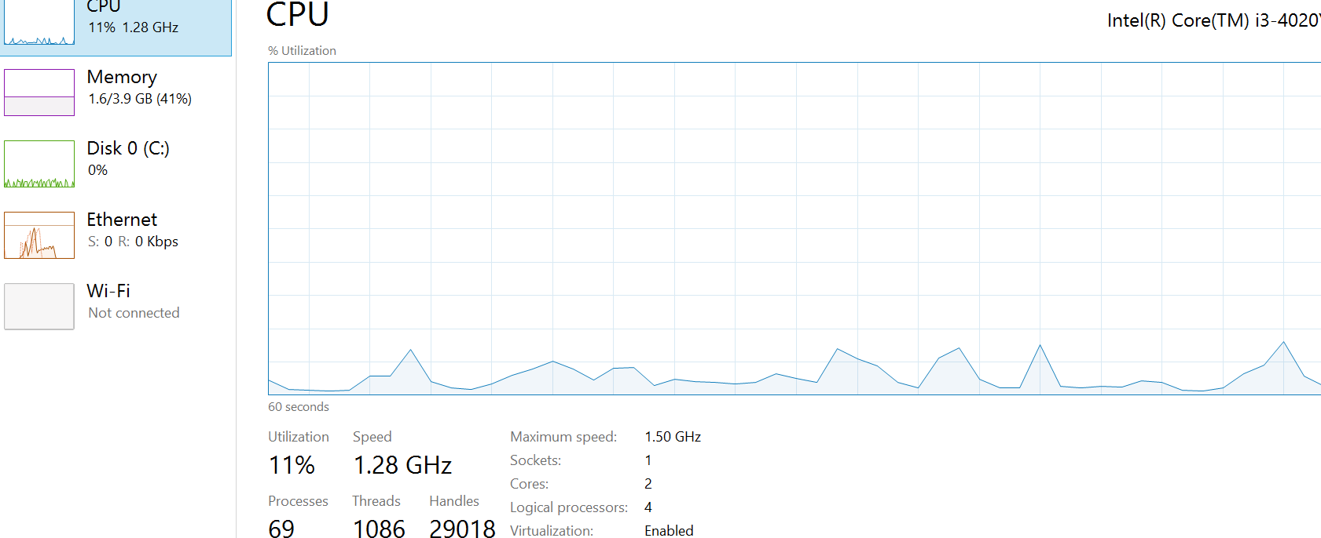
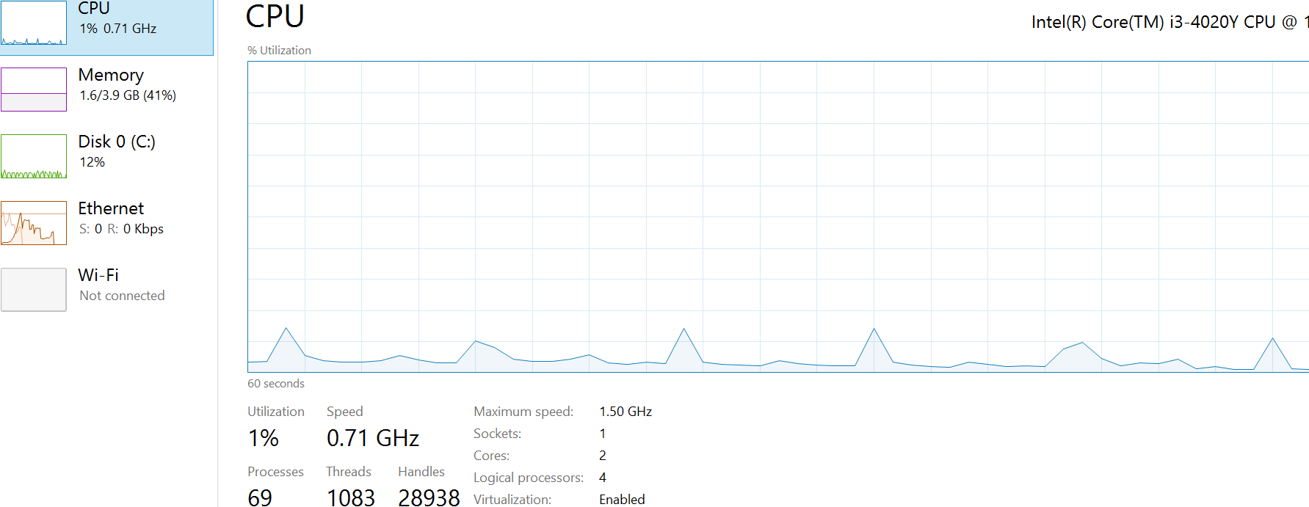
Size(MB) | CPU Max(%) | CPU Min(%) | Time | Download Speed(speedtest - Mbps) | Upload Speed(speedtest - Mbps)
2 | 13 | 1 | 8sec | 7.94 | 5.42
2 | 12 | 2 | 6sec | 7.85 | 5.43
5 | 11 | 2 | 18sec | 7.68 | 6.54
5 | 14 | 2 | 17sec | 7.76 | 6.61
10 | 12 | 2 | 29sec | 7.63 | 7.24
10 | 14 | 3 | 31sec | 7.61 | 7.18
20 | 12 | 1 | 1min 6 sec | 6.9 | 5.7
20 | 13 | 2 | 1min 10sec | 6.84 | 5.71

2MB |  |  |  |  | 5MB
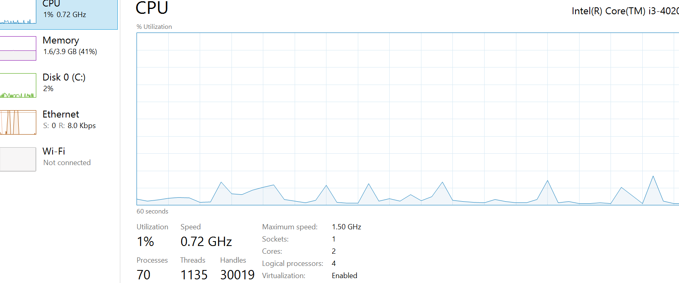
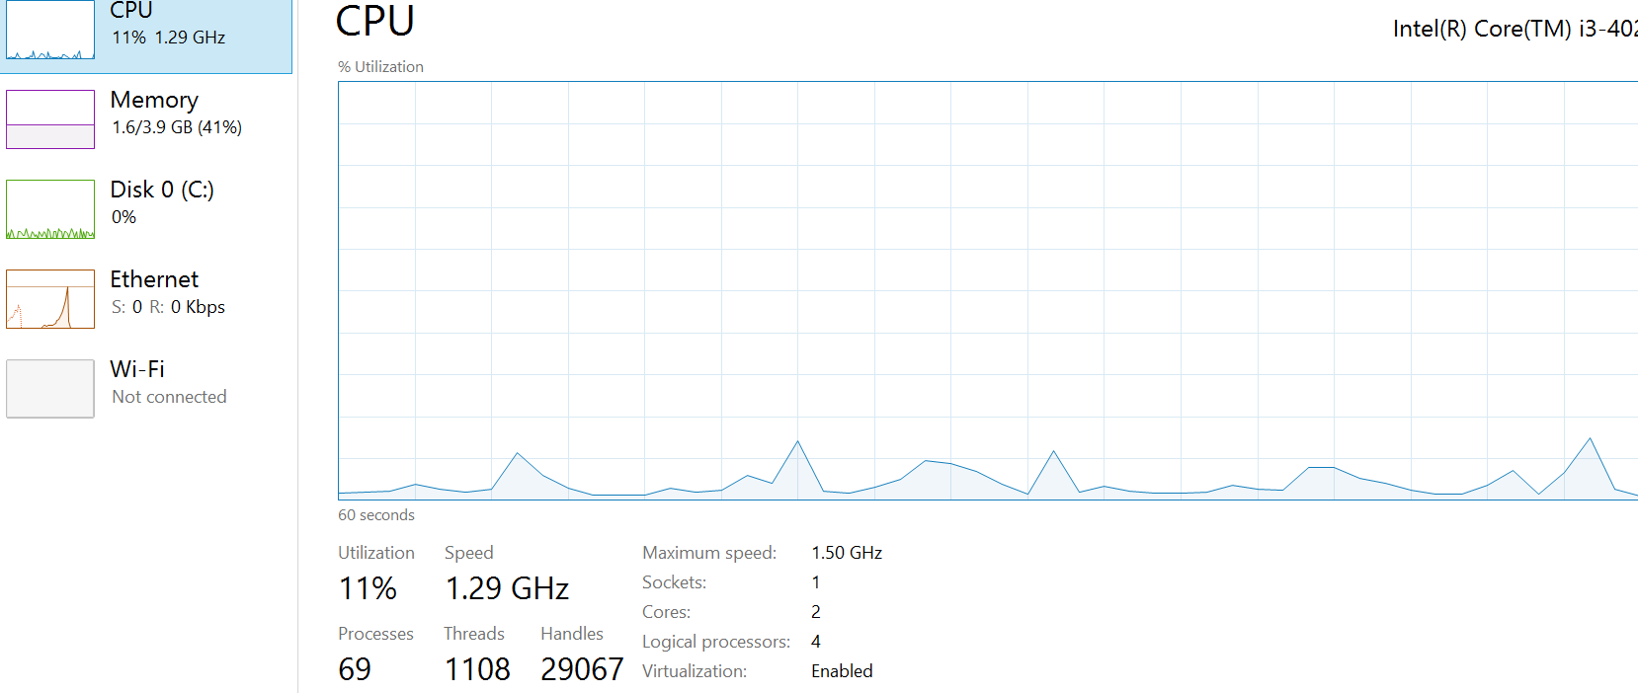

10MB |  |  |  |  | 20MB

2G UPLOAD
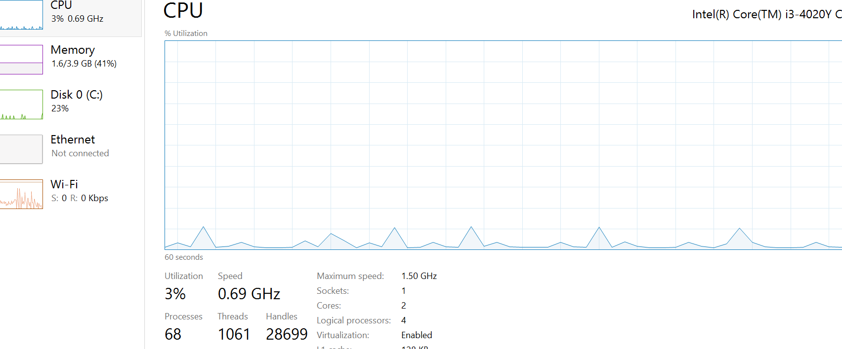
Size(MB) | CPU Max(%) | CPU Min(%) | Time | Download Speed(speedtest - Mbps) | Upload Speed(speedtest - Mbps)
2 | 13 | 2 | 1min 30sec | 0.15 | 0.14
2 | 12 | 2 | 1min 39sec | 0.14 | 0.12
5 | 17 | 2 | 6min 47sec | 0.14 | 0.12
5 | 13 | 2 | 6min 36sec | 0.15 | 0.14
10 | 16 | 2 | 10min 34sec | 0.17 | 0.18
10 | 14 | 3 | 11min 12sec | 0.16 | 0.15
20 | Completed Untill 80% and stops process from there(time out 40min does not impact the process)

2MB |  |  | 5MB
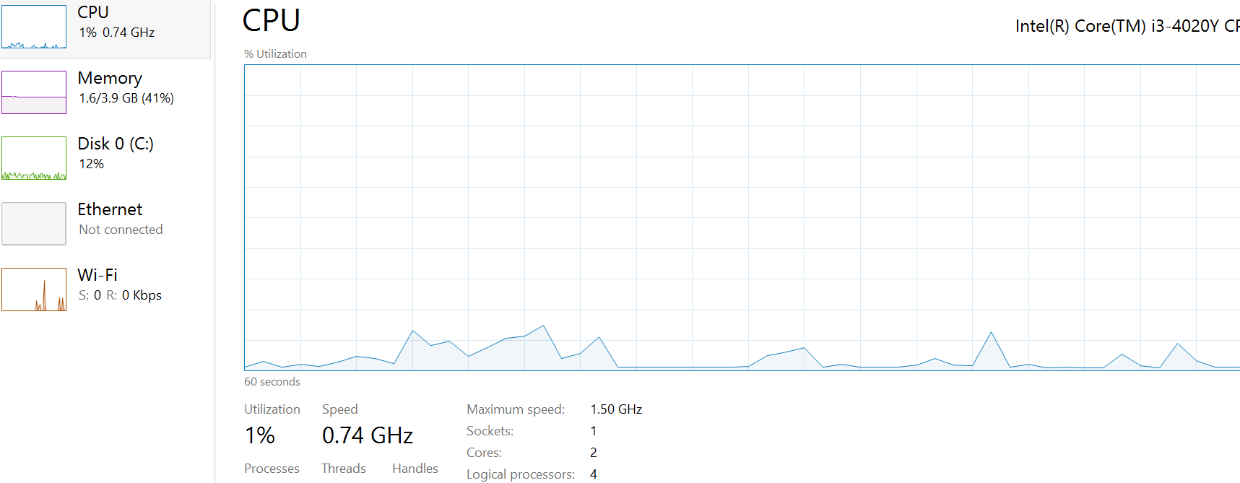
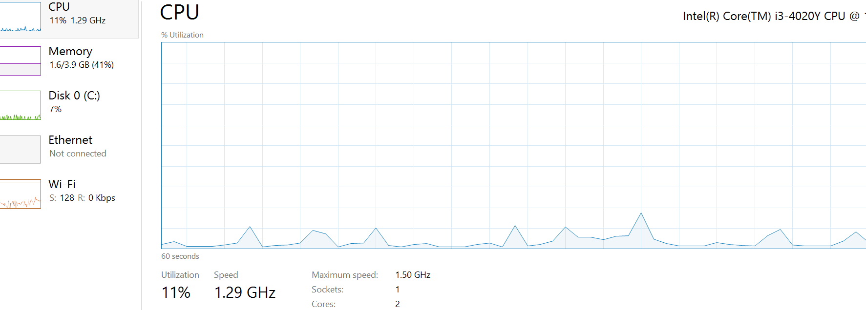

10MB

2G DOWNLOAD
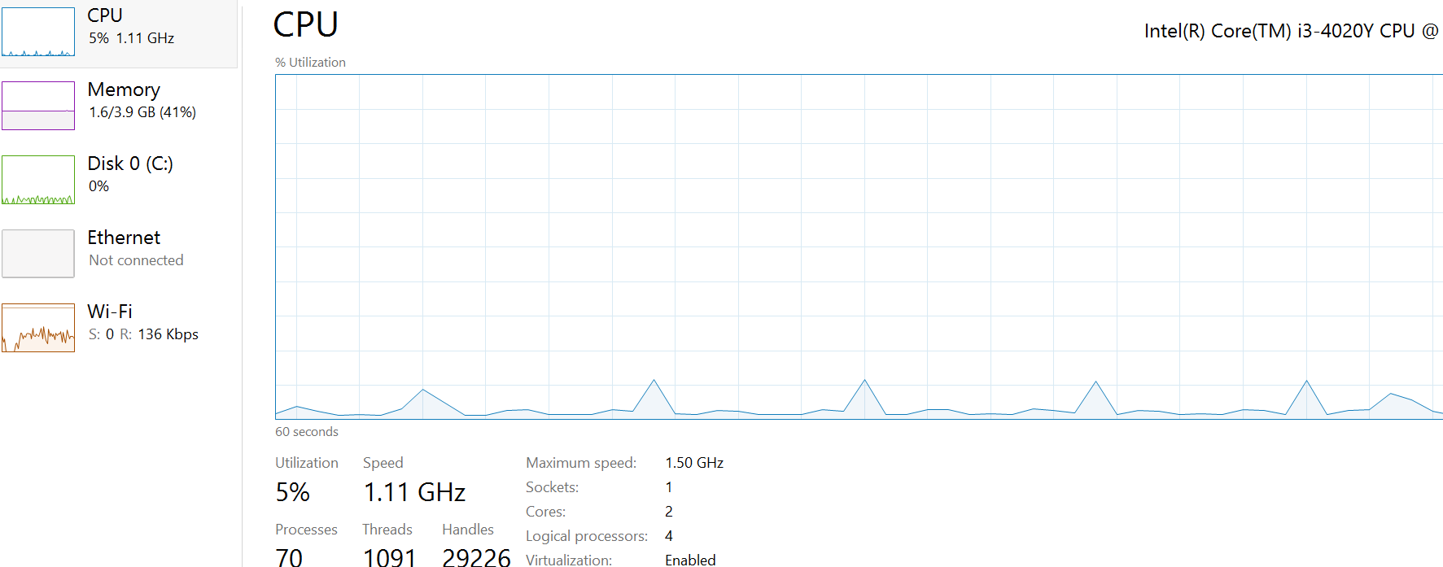
Size(MB) | CPU Max(%) | CPU Min(%) | Time | Download Speed(speedtest - Mbps) | Upload Speed(speedtest - Mbps)
2 | 14 | 2 | 2min 16sec | 0.14 | 0.13
2 | 13 | 2 | 2min 40sec | 0.14 | 0.12
5 | 13 | 1 | 4min | 0.18 | 0.11
5 | 15 | 3 | 4min 12sec | 0.17 | 0.11
10 | 16 | 2 | 9min 21sec | 0.18 | 0.16
10 | 16 | 3 | 10min 13sec | 0.17 | 0.15
20 | Completed Untill 80% and stops process from there(time out 40min does not impact the process)

2MB |  |  |  |  | 5MB
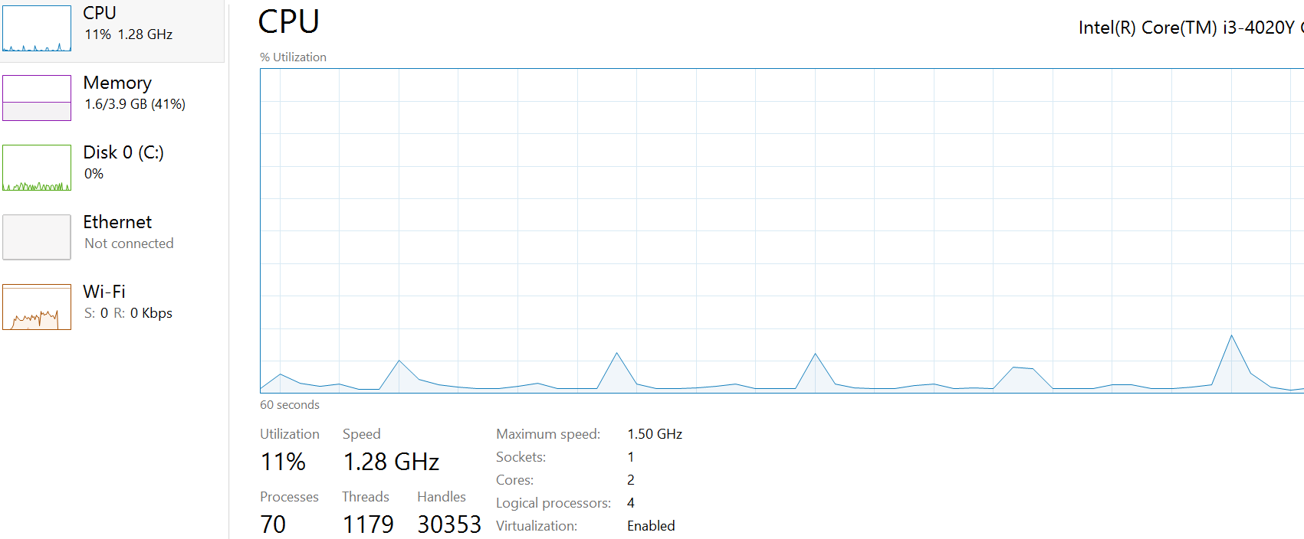
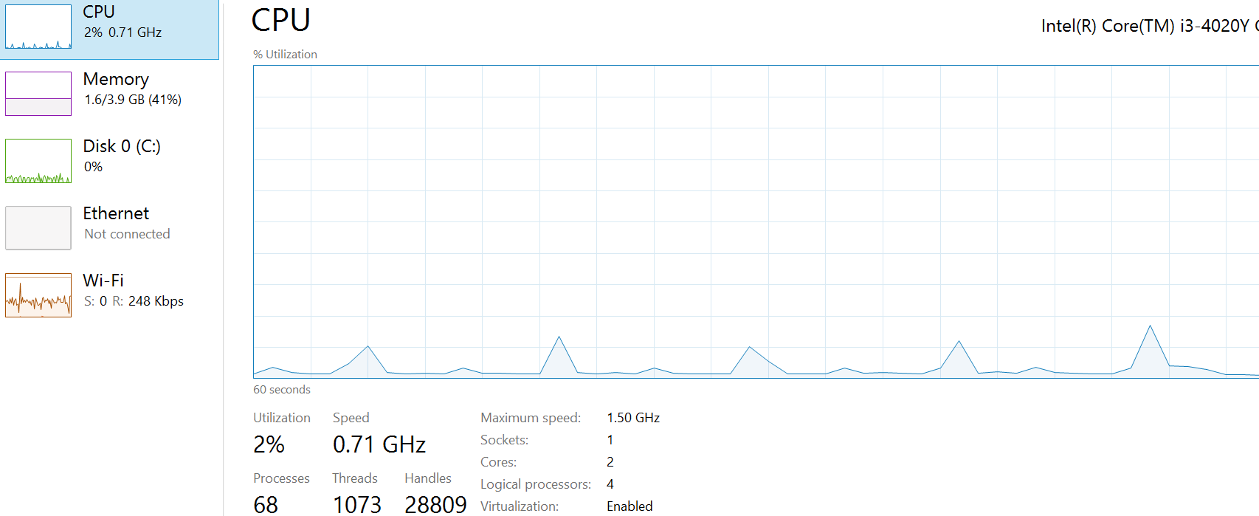

10MB

LAN UPLOAD
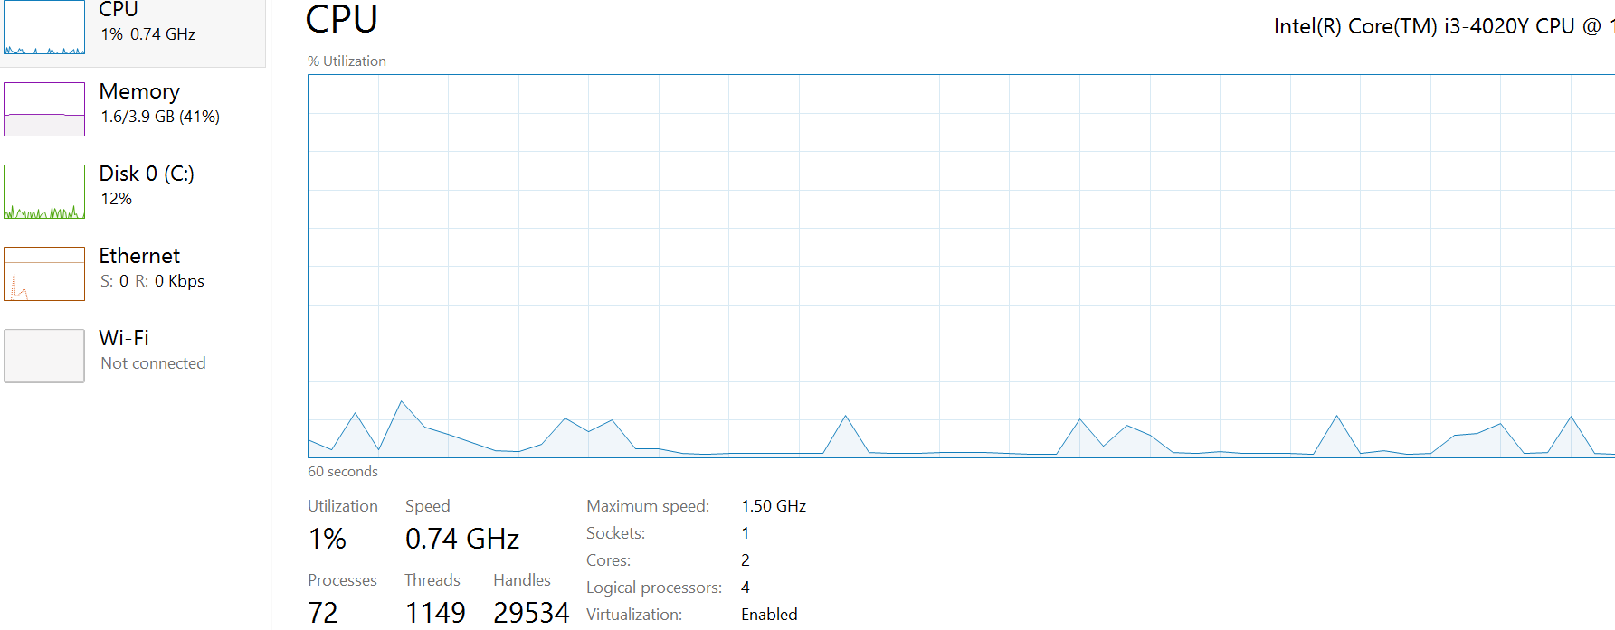
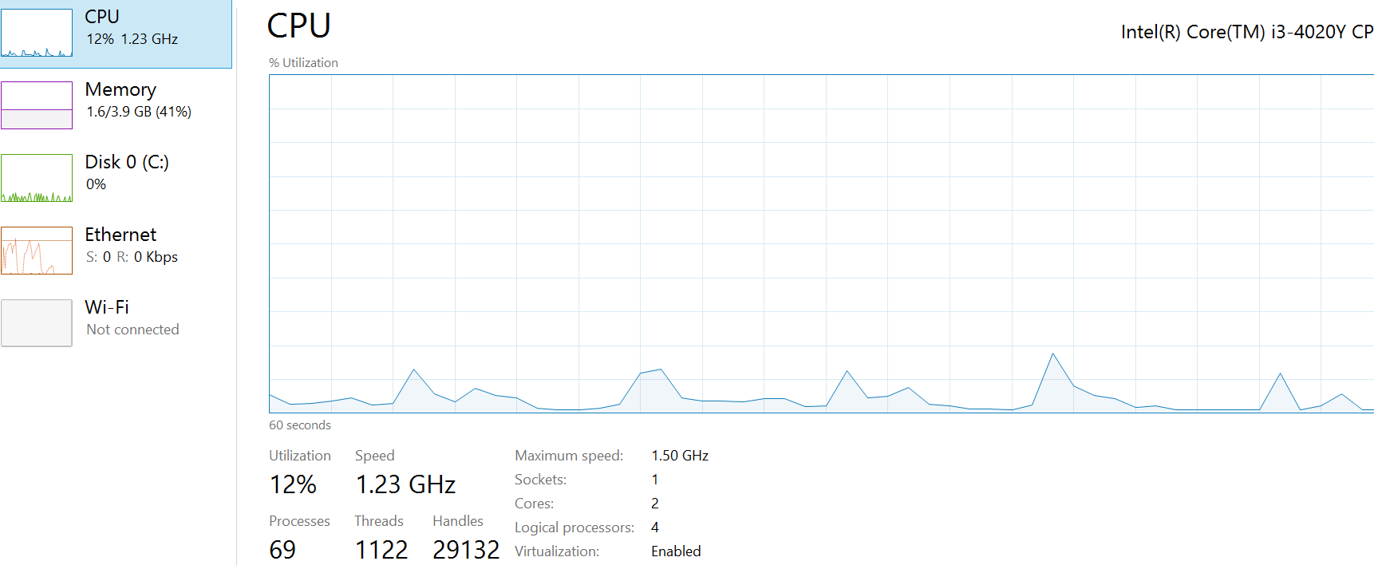
Size(MB) | CPU Max(%) | CPU Min(%) | Time | Download Speed(speedtest - Mbps) | Upload Speed(speedtest - Mbps)
2 | 11 | 11 | 6sec | 7.4 | 5.91
2 | 18 | 2 | 6sec | 7.32 | 5.72
5 | 13 | 2 | 11sec | 6.9 | 6.02
5 | 14 | 1 | 14sec | 7.01 | 5.93
10 | 11 | 2 | 23 sec | 7.84 | 6.27
10 | 14 | 2 | 27sec | 7.53 | 6.12
20 | 14 | 1 | 33sec | 7.48 | 5.84
20 | 14 | 2 | 37 sec | 7.62 | 5.77

2MB |  |  |  |  | 5MB
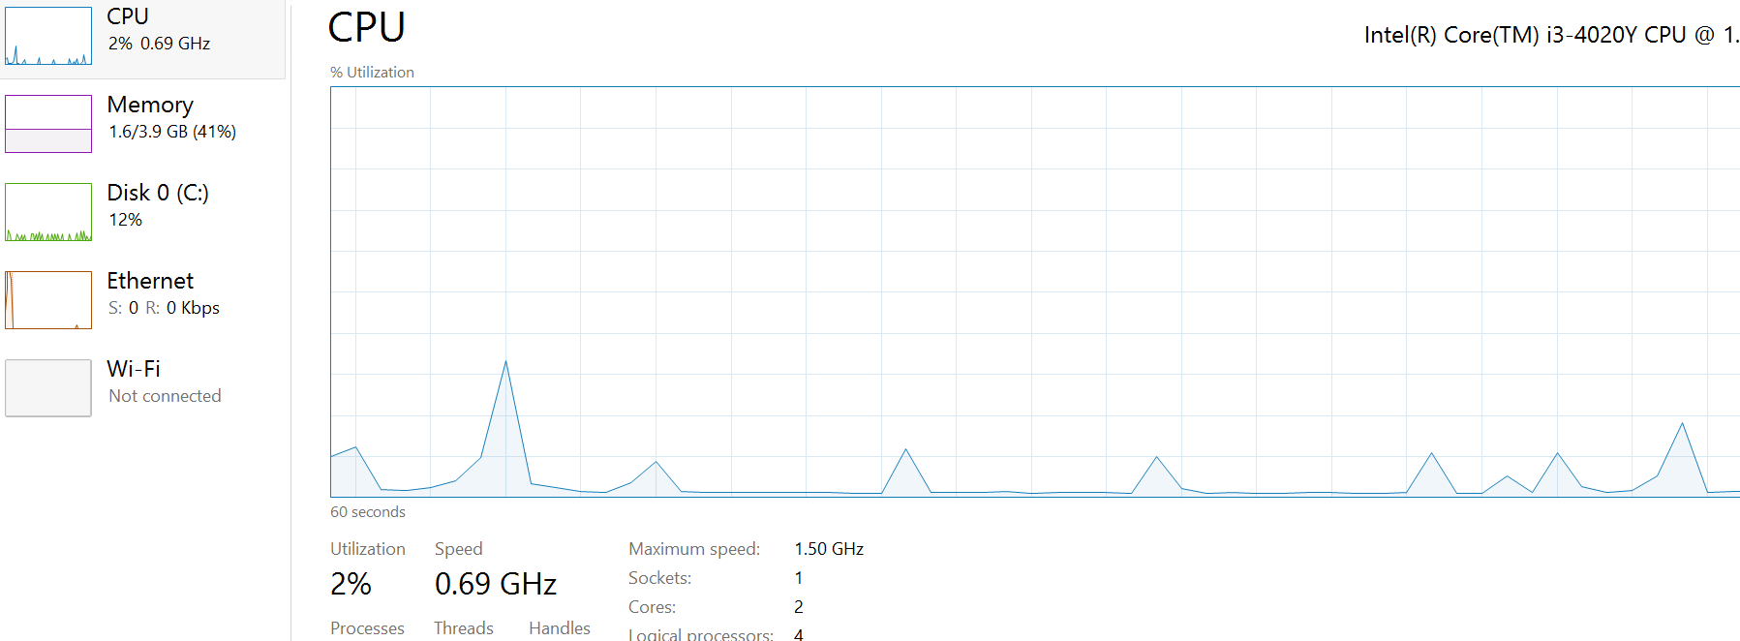
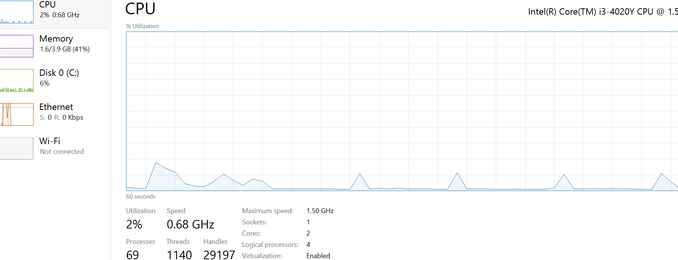

10MB |  |  |  |  | 20MB

